User Guide & Disclaimer
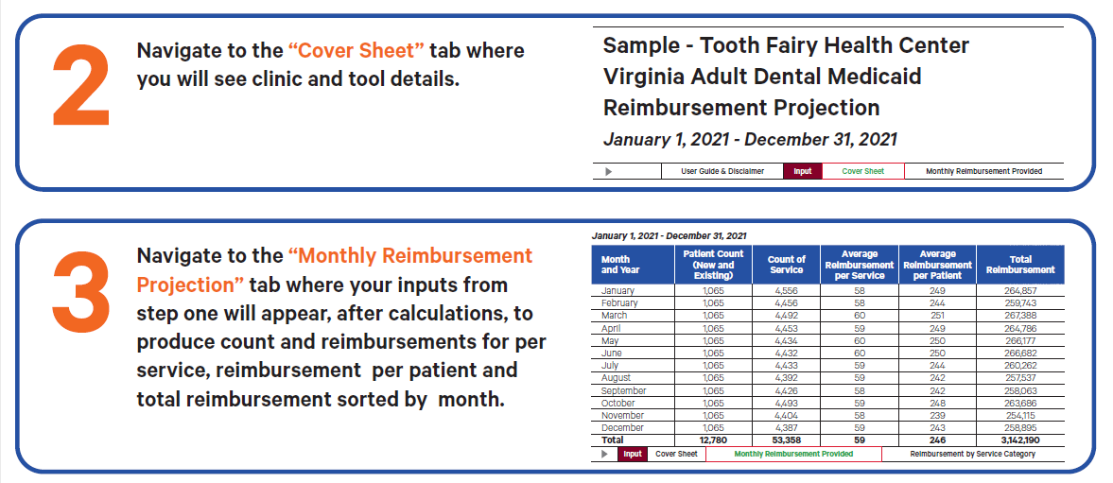

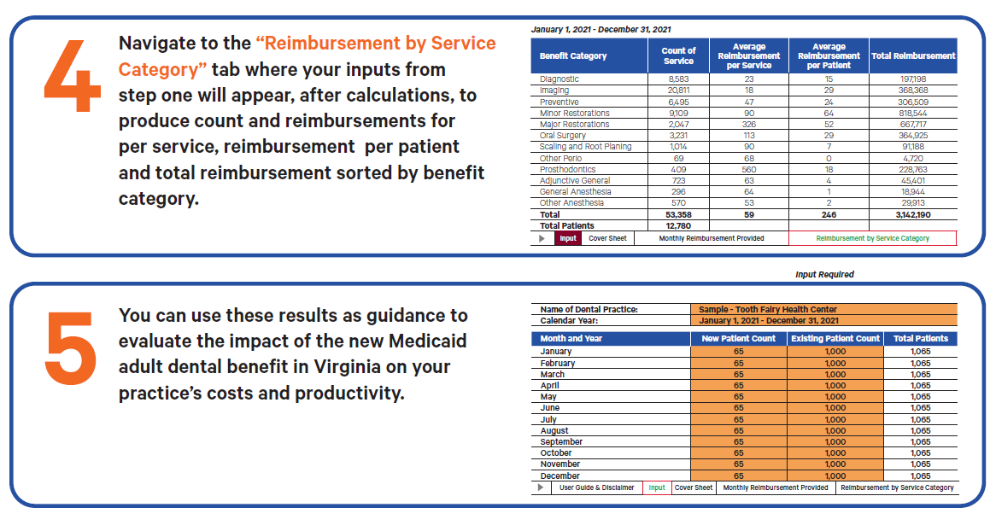

Disclaimer:
Cost projection assumes covered service and fee schedule for Virginia Adult Medicaid effective July 1, 2021. Any future change to covered services and fee schedule is not reflected in the model. This financial model is for use with programs associated with Virginia Adult Medicaid program only but may be used by other programs for case-study comparisons. This financial model is a projection and may be used as cost guidance. The reimbursement value does not account for third party liability. CareQuest Institute for Oral Health and Virginia Health Catalyst are not responsible if actual cost does not exactly align with projection.

